Brand Marketing Team
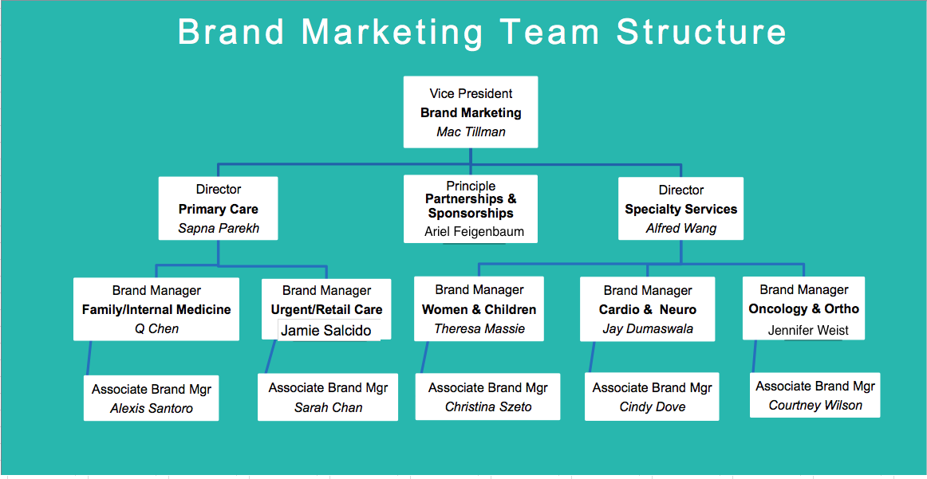

Creative Services Team
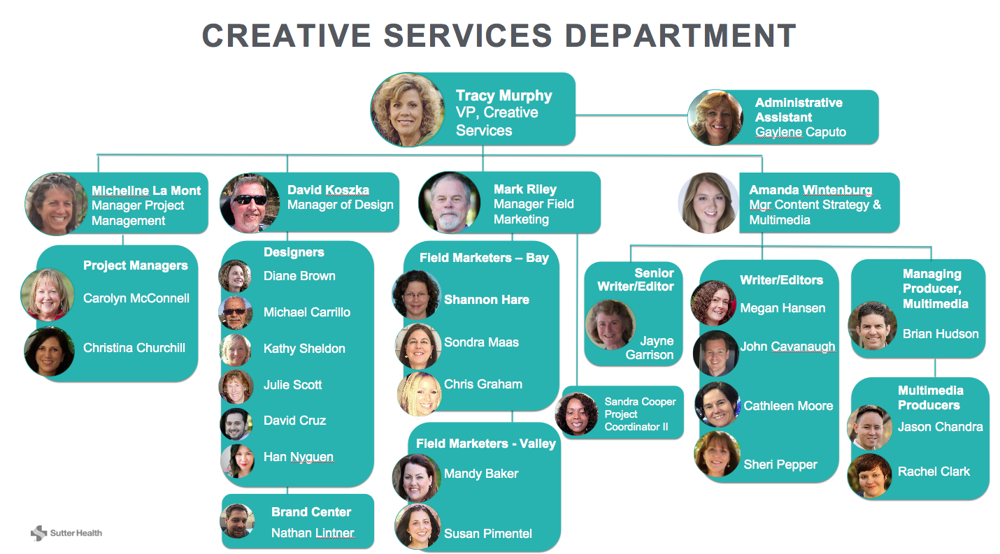

Communications Team
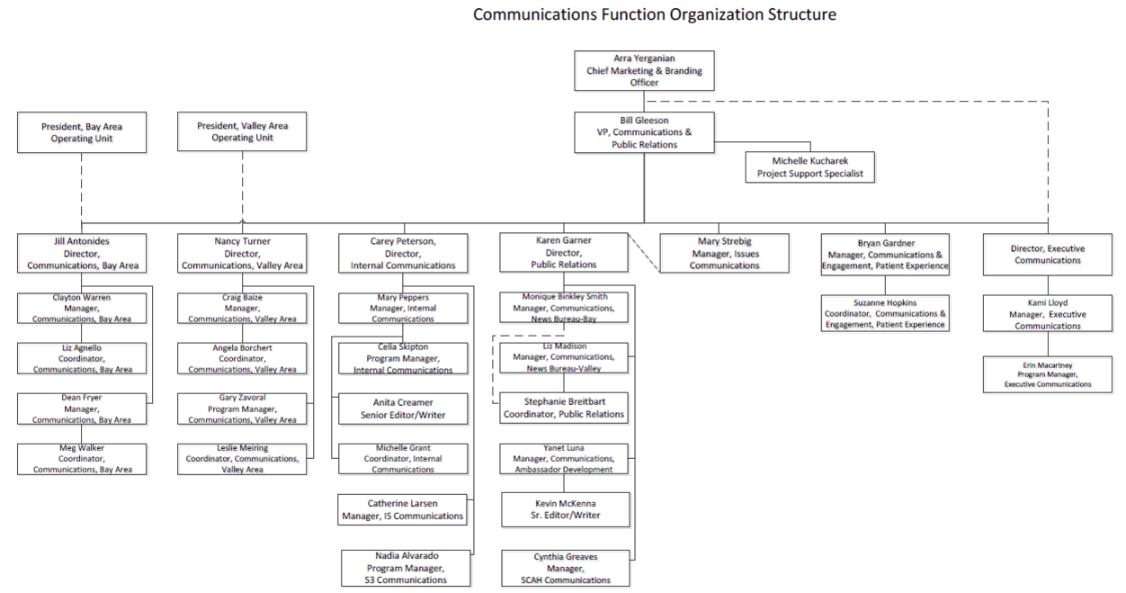

Points of Contact (October 2016)
Bay Area Operating Unit | Marketing Contact | Communications Contact

Alta Bates Summit Medical Center | Nancy Manalo-Smith - 650-691-6288 smithnm@sutterhealth.org | Clayton Warren - 510-869-6118 warrenC@sutterhealth.org
California Pacific Medical Center | Sondra Maas - 510-542-0230 maass@sutterhealth.org | Dean Fryer - 415-600-7484 fryerD@sutterhealth.org
Eden Medical Center | Nancy Manalo-Smith - 650-691-6288 smithNM@sutterhealth.org | Liz Agnello - 510-869-8237 agnellL@sutterhealth.org
Menlo Park Surgical Hospital | Shannon Hare - 650-625-3817 hareS2@sutterhealth.org | Meg Walker - 415-600-7674 email: walkerMX@sutterhealth.org
Mills-Peninsula Health Services | Mark Riley - 831-460-6034 rileyM1@sutterhealth.org | Meg Walker - 415-600-7674 email: walkerMX@sutterhealth.org
Novato Community Hospital | Sondra Maas - 510-542-0230 maasS@sutterhealth.org | Liz Agnello - 510-869-8237 agnellL@sutterhealth.org
PAMF - Alameda & Contra Costa Counties | Nancy Manalo-Smith - 650-691-6288 smithNM@sutterhealth.org | Liz Agnello - 510-869-8237 agnellL@sutterhealth.org
PAMF - Santa Clara County | Shannon Hare - 650-625-3817 hareS2@sutterhealth.org | Meg Walker - 415-600-7674 email: walkerMX@sutterhealth.org
PAMF - San Mateo County | Shannon Hare - 650-625-3817 hareS2@sutterhealth.org | Meg Walker - 415-600-7674 email: walkerMX@sutterhealth.org
PAMF Santa Cruz | Mark Riley - 831-460-6034 rileyM1@sutterhealth.org | Meg Walker - 415-600-7674 email: walkerMX@sutterhealth.org
Sutter Delta Medical Center | Nancy Manalo-Smith - 650-691-6288 smithNM@sutterhealth.org | Liz Agnello - 510-869-8237 agnellL@sutterhealth.org
Sutter East Bay Medical Foundation | Nancy Manalo-Smith - 650-691-6288 smithNM@sutterhealth.org | Clayton Warren - 510-869-6118 warrenC@sutterhealth.org
Sutter Lakeside Hospital | Sondra Maas - 510-542-0230 maasS@sutterhealth.org | Liz Agnello - 510-869-8237 agnellL@sutterhealth.org
Sutter Maternity & Surgery Center | Mark Riley - 831-460-6034 rileyM1@sutterhealth.org | Meg Walker - 415-600-7674 email: walkerMX@sutterhealth.org
Sutter Pacific Medical Foundation | Sondra Maas - 510-542-0230 maasS@sutterhealth.org | Dean Fryer - 415-600-7484 fryerD@sutterhealth.org
Sutter Santa Rosa Regional Hospital | Sondra Maas - 510-542-0230 maasS@sutterhealth.org | Liz Agnello - 510-869-8237 agnellL@sutterhealth.org
Valley Area Operating Unit | Marketing Contact | Communications Contact

Memorial Hospital Los Banos | Susan Pimentel - 209-572-5910 pimentS1@sutterhealth.org | Angela Borchert - 916-887-7013 borcheAE@sutterhealth.org
Memorial Medical Center | Susan Pimentel - 209-572-5910 pimentS1@sutterhealth.org | Craig Baize - 209-572-5908 BaizeC@sutterhealth.org
Sutter Amador Hospital | Mandy Baker - 916-887-7010 bakerM@sutterhealth.org | Leslie Meiring - 916-887-7005 MeirinL@sutterhealth.org
Sutter Auburn Faith Hospital | Mandy Baker - 916-887-7010 bakerM@sutterhealth.org | Leslie Meiring - 916-887-7005 MeirinL@sutterhealth.org
Sutter Center for Psychiatry | Susan Pimentel - 209-572-5910 pimentS1@sutterhealth.org | Gary Zavoral - 916-887-7017 ZavoraG@sutterhealth.org
Sutter Coast Hospital | Mandy Baker - 916-887-7010 bakerM@sutterhealth.org | Leslie Meiring - 916-887-7005 MeirinL@sutterhealth.org
Sutter Davis Hospital | Susan Pimentel - 209-572-5910 pimentS1@sutterhealth.org | Angela Borchert - 916-887-7013 borcheAE@sutterhealth.org
Sutter Gould Medical Foundation | Mandy Baker - 916-887-7010 bakerM@sutterhealth.org | Craig Baize - 209-572-5908 BaizeC@sutterhealth.org
Sutter Medical Center, Sacramento | Susan Pimentel - 209-572-5910 pimentS1@sutterhealth.org | Gary Zavoral - 916-887-7017 ZavoraG@sutterhealth.org
Sutter Medical Foundation | Mandy Baker - 916-887-7010 bakerM@sutterhealth.org | Craig Baize - 209-572-5908 BaizeC@sutterhealth.org
Sutter North Valley Surgical Hospital | Mandy Baker - 916-887-7010 bakerM@sutterhealth.org | Craig Baize - 209-572-5908 BaizeC@sutterhealth.org
Sutter Roseville Medical Center | Susan Pimentel - 209-572-5910 pimentS1@sutterhealth.org | Gary Zavoral - 916-887-7017 ZavoraG@sutterhealth.org
Sutter Solano Medical Center | Susan Pimentel - 209-572-5910 pimentS1@sutterhealth.org | Angela Borchert - 916-887-7013 borcheAE@sutterhealth.org
Sutter Tracy Community Hospital | Susan Pimentel - 209-572-5910 pimentS1@sutterhealth.org | Angela Borchert - 916-887-7013 borcheAE@sutterhealth.org
Sutter Care at Home | Marketing Contact | Communications Contact

Sutter Care at Home | New Hire Starts Oct. 24 | Cynthia Greaves - 650-444-3019 GreaveC@sutterhealth.org
MarCom Directors
Bay Communications Director Jill Antonides | (650) 804-2501 | antoniJ1@sutterhealth.org
Valley Communications Director - Nancy Turner | (916) 887-7015; (916) 799-3474 | turnerN@sutterhealth.org
Brand Director (Specialty Care) - Alfred Wang | (916) 214-7601 | wangV3@sutterhealth.org
Brand Director (Primary Care) - Sapna Parekh | (408) 203-6908 | parekhS1@sutterhealth.org

Digital Marketing Team
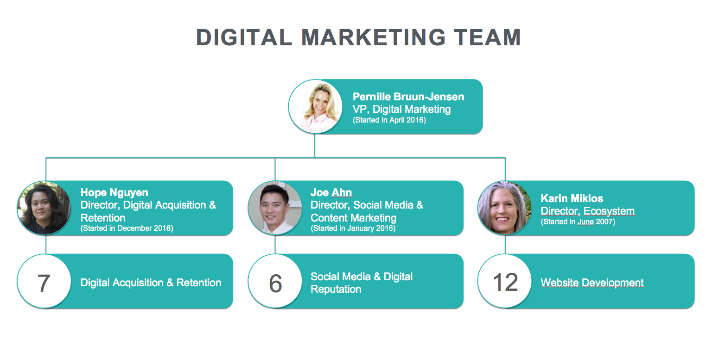

Digital Acquisition & Retention
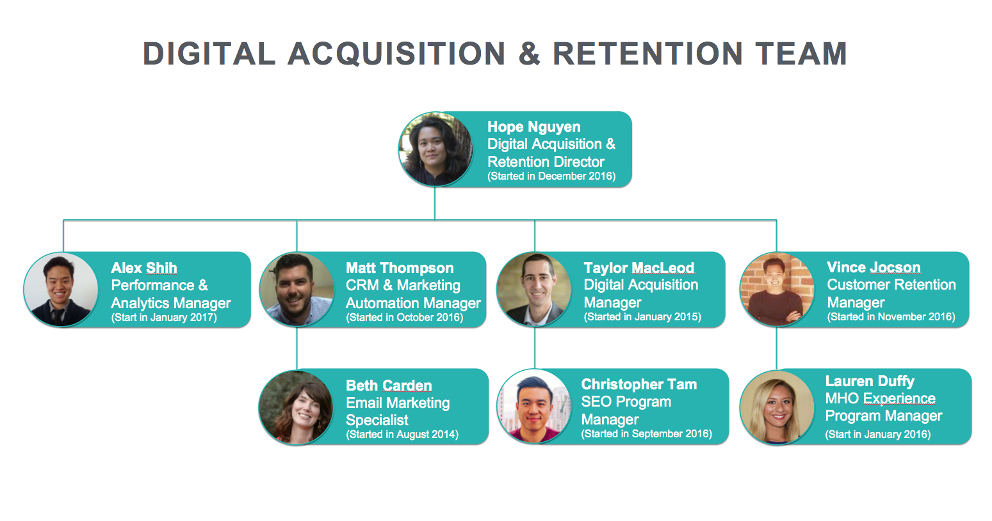

Social Media & Digital Reputati


Digital Ecosystem Team
